2-Cover Page
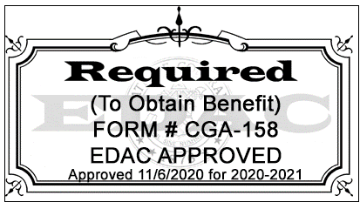
COLORADO EARLY LITERACY GRANT PROGRAM
COHORT 5 - FY 2020-21, 2021-22, 2022-23, 2023-24
 |  |  | STATE GRANT CODE: 3203
 | District Code: | #N/A
 | Name of District |  |  | use drop down
 | Name of Schools:

 | Select Report Type:
 | Revision Number:
 | Date:

 | Name of Program Manager:
 | Name:
 | Phone No.:
 | E-mail:
 | Name of District Fiscal Manager
 | Name:
 | Phone No.:
 | E-mail:

 | Submit this excel file with RFP to : | https://app.smartsheet.com/b/form/81f707ff3eac4bda98d2046533d0c981.

 | Once awarded the grant,
 | ALL budget revisions must be sent to: | ELG Budget Submission

 | ELG Program Contact: | Laura Stelling (303) 866-6971; stelling_l@cde.state.co.us
 | Grants Fiscal Staff Contact : | Marti Rodriguez (303) 866-6769; rodriguez_m@cde.state.co.us
 |  | Matt Freeman (303) 866-5692; freeman_m@cde.state.co.us

Funding Summary
 | Request- Year 1 | Request-Year 2 | Request-Year 3 | Request-Year 4 | Total Requested
 | $- | $- | $- | $- | $-

