Mill Levy Certification Form
Certification of Mill Levies |  |  | District Code
Property Tax Year 2020 |  |  |  | <= Type district code here to populate form.
 |  |  |  | * when printed, only the form will print
County |  | School District
 | Colorado Department of Education (CDE) Mill Levy Calculated as of | School District Final Mill Levy Certified as of |  | * changes may be made directly in the form as information you have may be more current than what CDE has populated in this version of the form.
CATEGORY | November 2020 | December 15, 2020

1. Mill Levy per HB20-1418 |  |  |  | * The lesser of mills needed to get to total program, mill levy in de-brucing year or 27 mills.

1a. HB20-1418 Tax Credit |  |  |  | * The district's school board will need to grant this tax credit by resolution per HB20-1418.

1b. HB20-1418 Net Mill Levy | #VALUE! | 0.000 |  | * net total should equate to the districts final Total Program mill levy from FY2019-20 unless district is fully locally funded at a lower amount in FY2020-21. This is the amount applied to FY2020-21 Total Program calculations.
(amt collected by county)

2. Categorical Buyout

3. Total Program Reserve Fund

4. Total Program Mill | #VALUE! | 0.000

5. Overrides:
a. Voter-approved |  |  |  | * district is responsible for calculating the voter-approved mill levy. Please verify your voter-approved override mill based on your ballot question. Your MLO may be fixed mill or fixed dollar or a combination.

b. Hold harmless

c. Excess hold harmless

6. Abatement

7. Total General Fund | #VALUE! | 0.000

8. Bond Redemption Fund |  |  |  | * district is responsible for calculating the bond redemption mill levy

9. Transportation Fund

10. Special Building and
Technology Fund

11. Other (Loan, Charter School)

12. Total | #VALUE! | 0.000

Assessed Valuation | As of November 2020 | As of December 15, 2020

Gross Assessed Valuation

Tax Increment Financing

Net Assessed Valuation | 0 | 0

Abatements
(Total across all counties)

Information provided by state for certification to county treasurer:
Full Funding mill levy

Projected Gross Funding from State

Form completed by | Phone Number
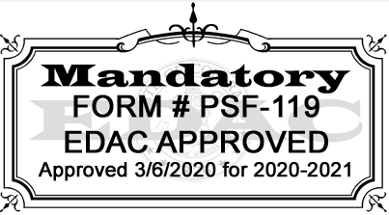
COMPLETE AND RETURN TO TIM KAHLE BY DECEMBER 21, 2020:
Division of School Finance and Operations
Colorado Department of Education
201 E. Colfax Avenue; Room 206
Denver, CO 80203
kahle_t@cde.state.co.us
Scanned and emailed copies are acceptable. It is not necessary to mail original copy.

