INSTRUCTIONS to enable Macro's
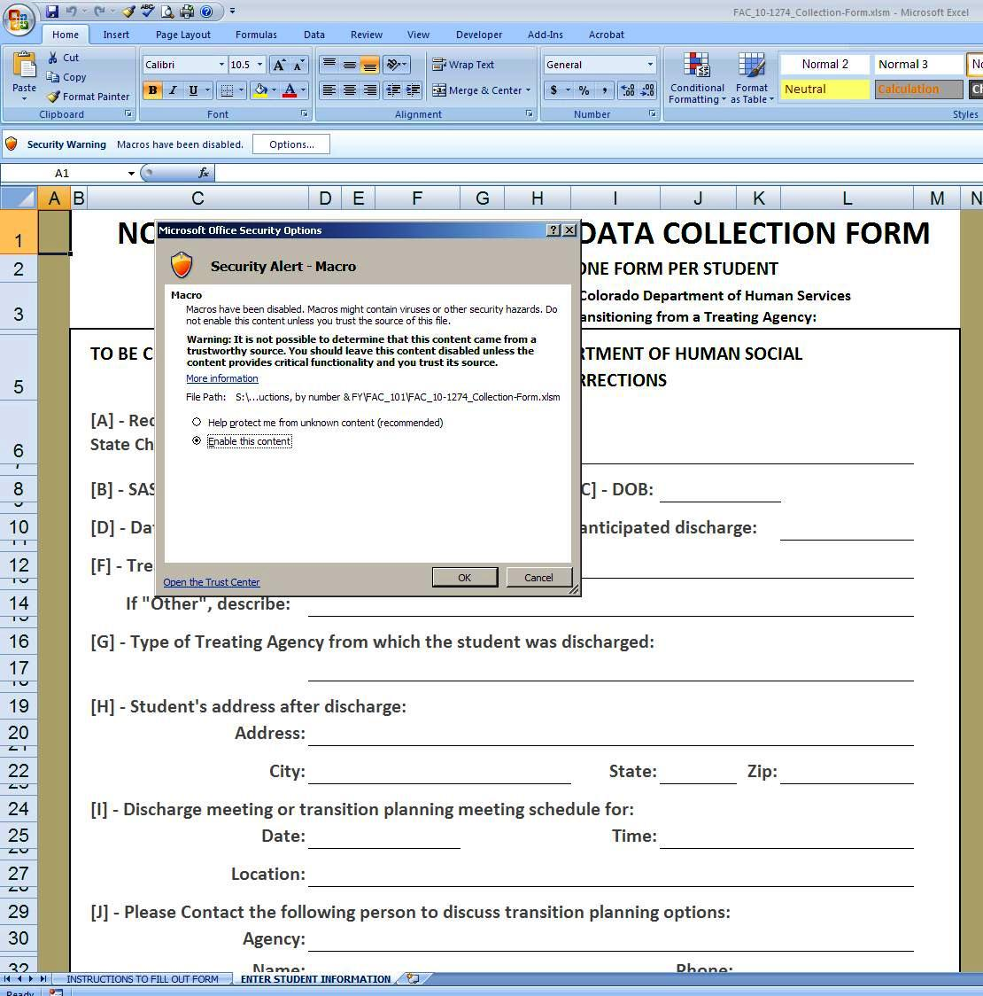
Please “Enable Macros” on the Excel form! If you do not Enable Macros the Excel file will not work correctly.

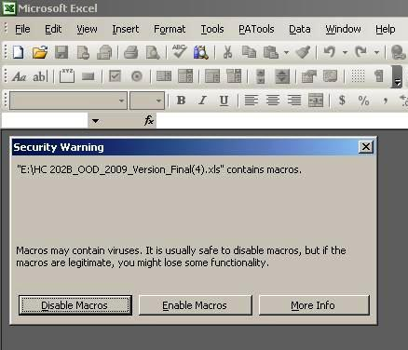
Excel version 2003
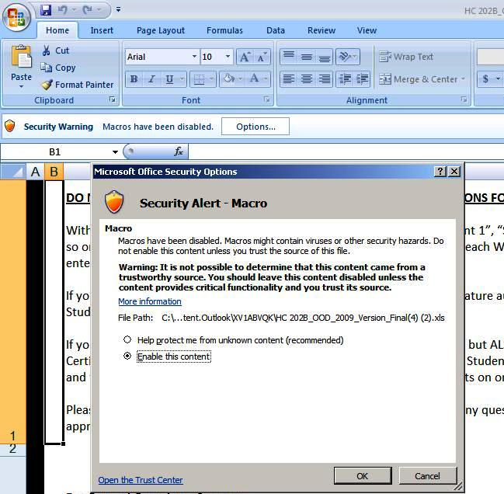

Excel version 2007

In the 2007 MS Excel version, when you open the EXCEL, THEN you will need to click OPTIONS on the “Security Warning” above the Formula Bar. A Pop-up Menu will open, you will need to click “Enable this content” and then click “OK” . Otherwise the Worksheets will not work properly.
In the 2003 MS Excel version, when you open the EXCEL file, make sure you click “Enable Macros”. Otherwise the Worksheets will not work properly.

