Mill Levy Certification Form
Certification of Mill Levies |  |  | District Code
Property Tax Year 2019 |  |  |  | <= Type district code here to populate form.
 |  |  |  | * when printed, only the form will print
County |  | School District
 | Colorado Department of Education (CDE) Mill Levy Calculated as of | School District Final Mill Levy Certified as of
CATEGORY | August 30, 2019 | December 13, 2019

1. Total Program

2. Categorical Buyout

3. Overrides: |  |  |  | * district is responsible for calculating the voter-approved mill levy. Please verify your voter-approved override mill based on your ballot question. Your MLO may be fixed mill or fixed dollar or a combination.
a. Voter-approved
 |  |  |  | * changes may be made directly in the form as information you have may be more current than what CDE has populated in this version of the form.
b. Hold harmless

c. Excess hold harmless

4. Abatement

5. Total General Fund | 0.000

6. Bond Redemption Fund |  |  |  | * district is responsible for calculating the bond redemption mill levy

7. Transportation Fund

8. Special Building and
Technology Fund

9. Full Day Kindergarten Fund

10. Other (Loan, Charter School)

11. Total | 0.000 | 0.000

Assessed Valuation | As of August 30, 2019 | As of December 13, 2019

Gross Assessed Valuation

Tax Increment Financing

Net Assessed Valuation | 0 | 0
Abatements
(Total across all counties)

Information for certification to county treasurer:
Full Funding mill levy
Funding received from state

Form completed by | Phone Number
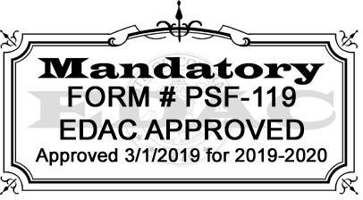
COMPLETE AND RETURN TO TIM KAHLE BY DECEMBER 20, 2019:
Division of School Finance and Operations
Colorado Department of Education
201 E. Colfax Avenue; Room 206
Denver, CO 80203
kahle_t@cde.state.co.us
Scanned and emailed copies are acceptable. It is not necessary to mail original copy.

